Sheet1
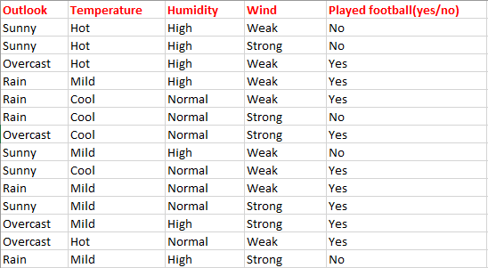
 |  | Play
 |  | Yes | No | Total |  |  | Yes | No | Total
 | Sunny | 2 | 3 | 5 | Humidity | High | 3 | 4 | 7
Outlook | Overcast | 4 | 0 | 4 |  | Normal | 6 | 1 | 7
 | Rain | 3 | 2 | 5 |  |  |  |  | 14
 |  |  |  | 14

 | E(O) = (5/14)*E(2,3)+(4/14)*E(4,0)+(5/14)*E(3,2) |  |  |  |  | E(H) = (7/14)*E(3,4)+(7/14)*E(6,1)
 | E(O) = | 0.6935361389 |  |  |  | E(H) = | 0.78845045731
 | E(2,3) = | 0.97095059445 |  |  |  | E(3,4) = | 0.98522813603
 | E(4,0) = | 0 |  |  |  | E(6,1) = | 0.59167277858
 | E(3,2) = | 0.97095059445
 |  |  |  |  |  | IG(H,Play) = | 0.15154954269
IG(O,Play) = | 0.2464638611

Q. Calculate the IG(H,Play).

